NFHS
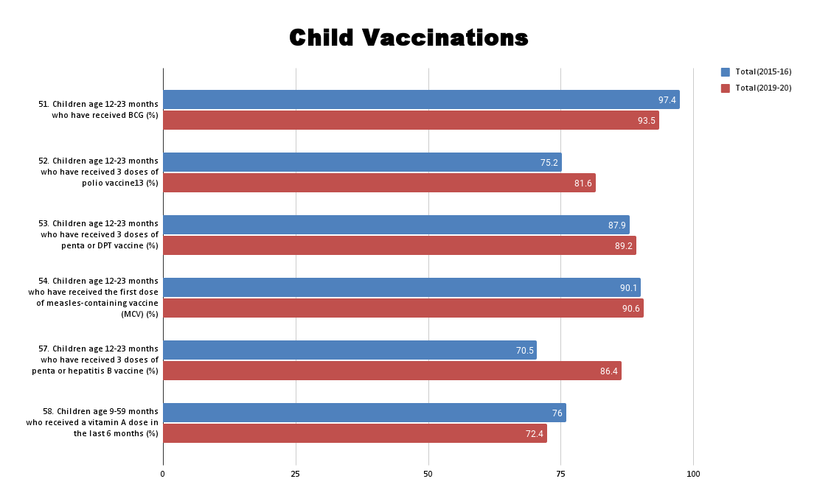
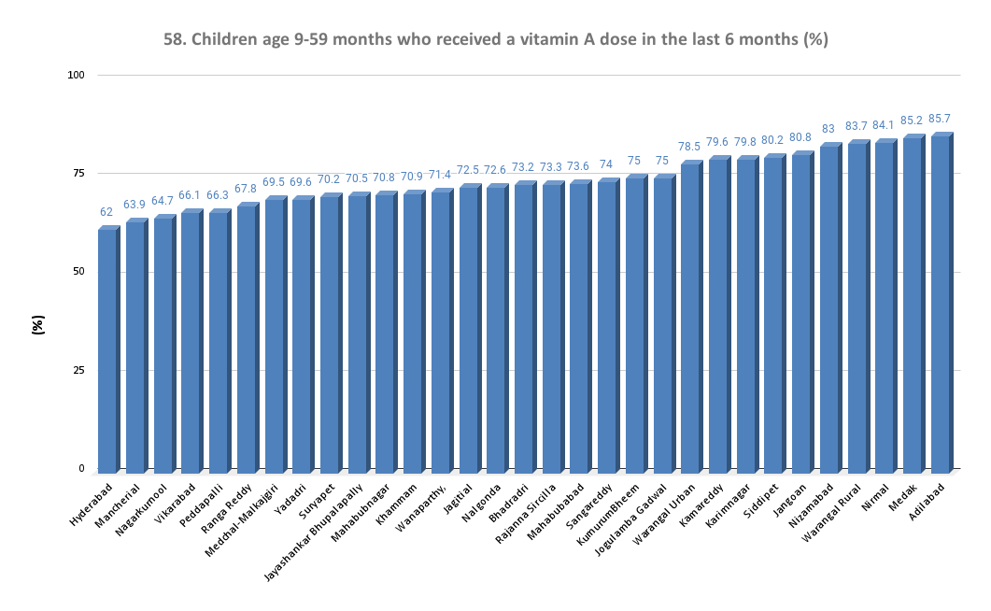
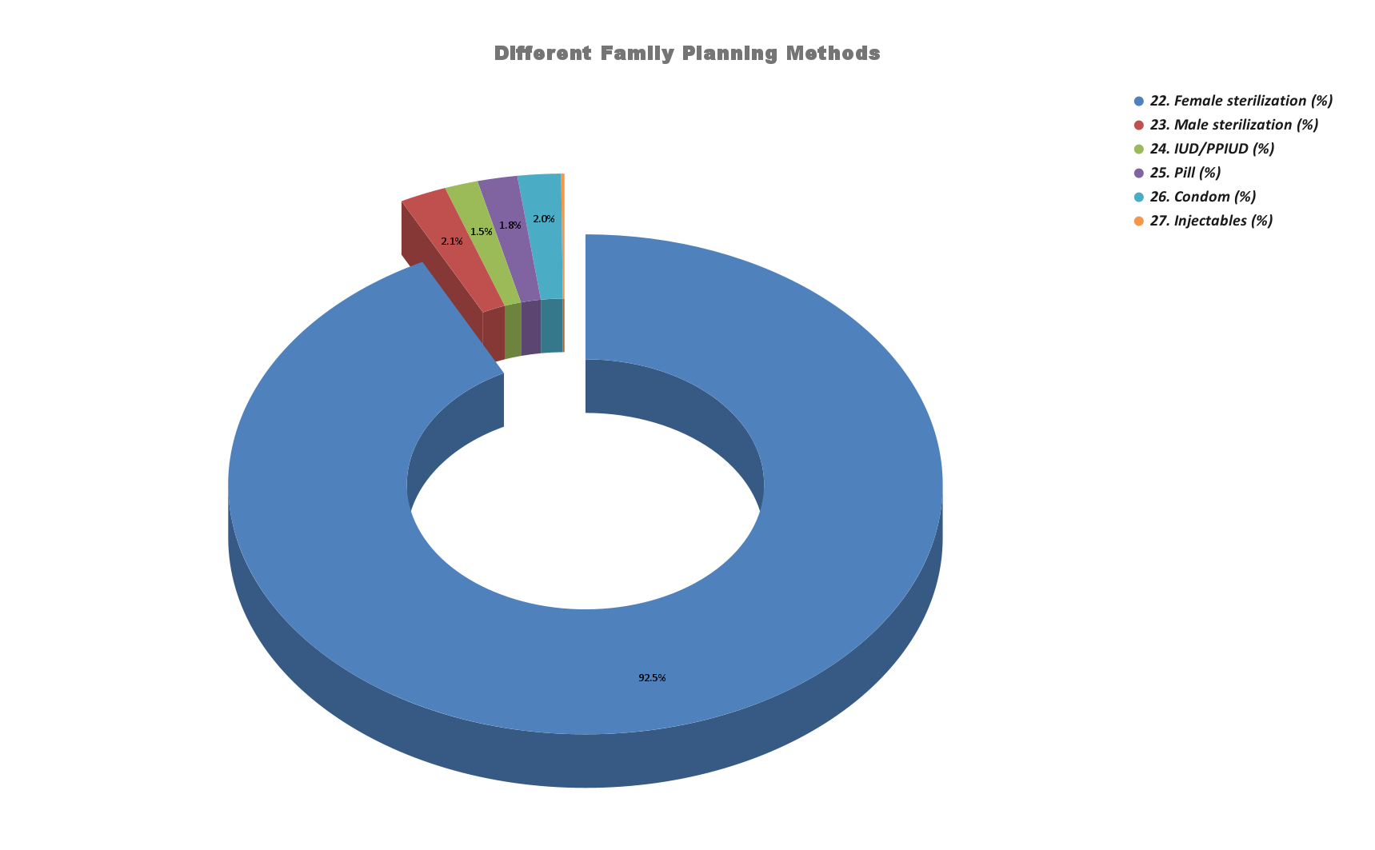
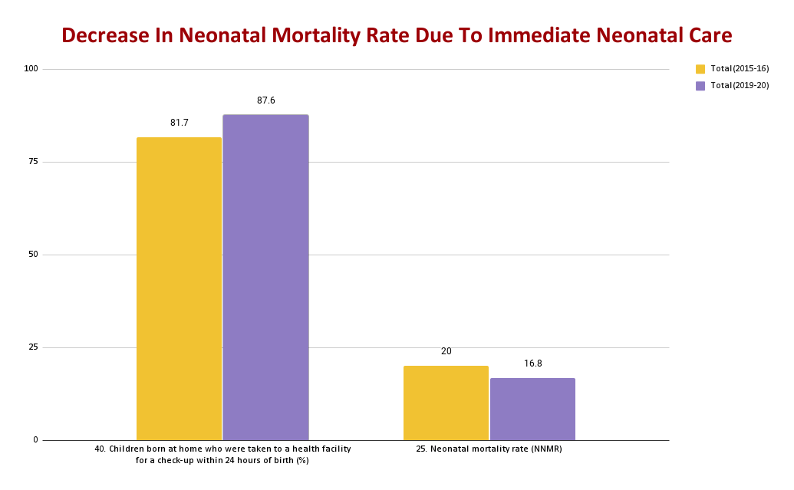
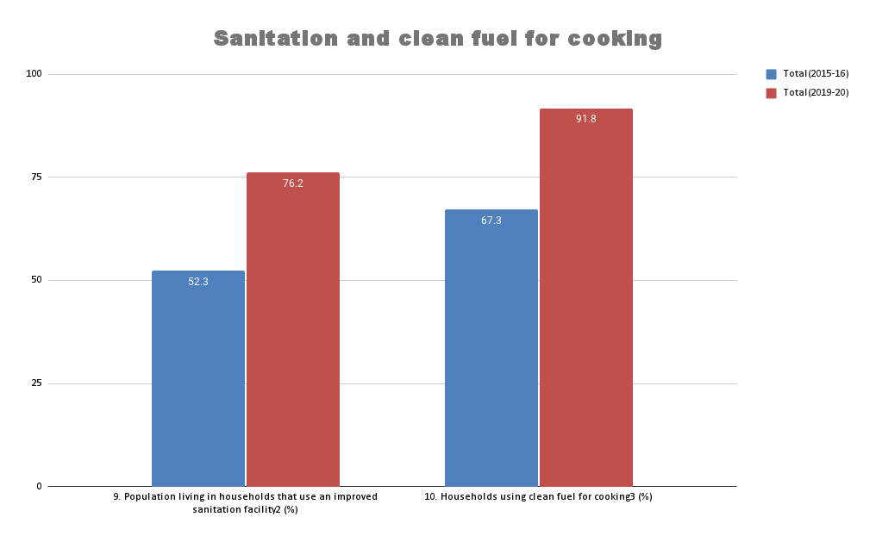
Sl.No | Category | Indicators (2019-20) | Adilabad | Bhadradri | Hyderabad | Jagitial | Jangoan | Jayashankar Bhupalapally | Jogulamba Gadwal | Kamareddy | Karimnagar | Khammam | KumurumBheem | Mahabubabad | Mahabubnagar | Mancherial | Medak | Medchal-Malkajgiri | Nagarkurnool | Nalgonda | Nirmal | Nizamabad | Peddapalli | Rajanna Sircilla | Ranga Reddy | Sangareddy | Siddipet | Suryapet | Vikarabad | Wanaparthy, | Warangal Rural | Warangal Urban | Yadadri
1 | Population and Household Profile | 1. Female population age 6 years and above who ever attended school (%) | 58.6 | 62.7 | 80.3 | 55.9 | 56.6 | 52.4 | 47.8 | 51.1 | 63.6 | 61.8 | 52.9 | 55 | 54.8 | 58.4 | 52.3 | 72.9 | 51.1 | 59.8 | 53.3 | 54.3 | 61.3 | 56.4 | 68.6 | 60.2 | 60.8 | 57.4 | 53.1 | 49.3 | 51.8 | 70.3 | 59.1
2 | Population and Household Profile | 2. Population below age 15 years (%) | 24.8 | 19.5 | 23 | 24.1 | 19.1 | 18.5 | 26.8 | 23.4 | 20.1 | 19 | 23.7 | 21.8 | 27.8 | 19.5 | 23.4 | 23.1 | 23.8 | 23.9 | 22.7 | 23.7 | 18.1 | 21.3 | 24.1 | 24.5 | 22 | 18.9 | 24.9 | 24.8 | 17.3 | 20.2 | 23
3 | Population and Household Profile | 3. Sex ratio of the total population (females per 1,000 males) | 992 | 1082 | 959 | 1219 | 1066 | 1079 | 1037 | 1104 | 1065 | 1061 | 1,024 | 1,067 | 1,035 | 1,065 | 1,051 | 996 | 1,066 | 1,017 | 1,171 | 1,132 | 1,028 | 1,167 | 1,022 | 1,053 | 1,062 | 1,032 | 998 | 1,018 | 1,070 | 1,087 | 1,071
4 | Population and Household Profile | 4. Sex ratio at birth for children born in the last five years (females per 1,000 males) | 785 | 817 | 844 | 955 | 1089 | 903 | 853 | 870 | 933 | 905 | 917 | 885 | 789 | 909 | 848 | 828 | 771 | 883 | 1,138 | 941 | 913 | 1,115 | 964 | 1,039 | 976 | 980 | 775 | 987 | 698 | 829 | 954
5 | Population and Household Profile | 5. Children under age 5 years whose birth was registered with the civil authority (%) | 83.9 | 90 | 94.3 | 92.5 | 86.6 | 90.9 | 81.7 | 91 | 88.7 | 94.4 | 83.1 | 91 | 91.9 | 93.2 | 85.3 | 95 | 91.4 | 80.4 | 94 | 90.4 | 87.9 | 91.2 | 93.4 | 79.7 | 90 | 92.7 | 91.6 | 90.5 | 82.6 | 82.4 | 93.8
6 | Population and Household Profile | 6. Deaths in the last 3 years registered with the civil authority (%) | 77.3 | 75.3 | 82.8 | 70.1 | 66.3 | 58.9 | 72.8 | 73.9 | 66.4 | 86.4 | 56.4 | 70 | 72.6 | 73.6 | 58.3 | 78.8 | 84.8 | 79.3 | 71.7 | 77.6 | 69.8 | 76.7 | 72.8 | 71.5 | 71.8 | 70.1 | 57.6 | 75.7 | 70.3 | 77.7 | 71.1
7 | Population and Household Profile | 7. Population living in households with electricity (%) | 99.2 | 99.4 | 99.9 | 99.3 | 99.3 | 99.3 | 99.8 | 99.5 | 99.7 | 99.7 | 97.8 | 99.6 | 99.4 | 99.6 | 99.4 | 100 | 99.9 | 99.9 | 99.5 | 99.9 | 99.5 | 99.8 | 99.7 | 99.6 | 99.5 | 99.4 | 99.1 | 99.2 | 99.7 | 99.6 | 99.6
8 | Population and Household Profile | 8. Population living in households with an improved drinking-water source1 (%) | 95.7 | 99.1 | 99.6 | 97.3 | 99.4 | 95.1 | 97 | 99.4 | 98.3 | 98.4 | 93.6 | 98.2 | 99.6 | 95.6 | 99.9 | 99.9 | 99.6 | 99.2 | 98.3 | 99.4 | 98 | 98.7 | 99.4 | 99.4 | 97.2 | 99.8 | 99.7 | 99.4 | 99 | 99.1 | 99.7
9 | Population and Household Profile | 9. Population living in households that use an improved sanitation facility2 (%) | 50.8 | 75.3 | 84.4 | 76.5 | 84.3 | 65.6 | 73.7 | 68.2 | 78.8 | 84.5 | 54 | 68.6 | 73.7 | 78.1 | 78.2 | 86.2 | 73.2 | 76.4 | 63.6 | 72.5 | 77.8 | 77.4 | 81.1 | 68 | 84.1 | 77.9 | 66.7 | 75.9 | 74.3 | 81.2 | 81.9
10 | Population and Household Profile | 10. Households using clean fuel for cooking3 (%) | 81.6 | 89.2 | 99.5 | 94.7 | 91.1 | 90.3 | 86.1 | 82.3 | 94.9 | 97.1 | 85.8 | 86.6 | 85.9 | 93.1 | 80.1 | 99 | 87.3 | 94.6 | 88.8 | 92.4 | 96.6 | 96.6 | 97 | 81.1 | 93.2 | 94.5 | 76 | 88.9 | 87.8 | 94.6 | 94.9
11 | Population and Household Profile | 11. Households using iodized salt (%) | 97.6 | 97.7 | 97.4 | 96.5 | 96.8 | 97.7 | 85.3 | 93.6 | 99.1 | 96.6 | 92.9 | 96.2 | 94.1 | 97.7 | 97.1 | 98.8 | 92 | 87.5 | 95.1 | 96.9 | 97.8 | 98.5 | 98.2 | 97.5 | 98.5 | 93 | 89.1 | 93.5 | 97.4 | 96.6 | 98.7
12 | Population and Household Profile | 12. Households with any usual member covered under a health insurance/financing scheme (%) | 63.6 | 59.4 | 48.9 | 59.2 | 71.7 | 71.5 | 61.8 | 66.5 | 58.6 | 60.4 | 63.6 | 69.3 | 70.3 | 64.4 | 61.2 | 53.8 | 68.6 | 64.8 | 49.9 | 52.3 | 59.1 | 62.8 | 58.3 | 58.1 | 60.9 | 63.1 | 59.6 | 70.1 | 72 | 62 | 65.3
13 | Population and Household Profile | 13. Children age 5 years who attended pre-primary school during the school year 2019-20 (%) | 6.3 | 9.2 | 19.9 | 6.2 | 9.3 | 3.9 | 12.5 | 8.2 | 16.4 | 8.6 | 17.3 | 25.8 | 20.2 | 16.1 | 14.2 | 19.8 | 18.9 | 11.5 | 11.5 | 17.8 | 12.5 | 9.1 | 19.8 | 19.4 | 14.7 | 17 | 6.4 | 9.5 | 22.6 | 11.6 | 27.2
14 | Characteristics of Women (age 15-49 years) | 14. Women who are literate4 (%) | 64.8 | 68.7 | 83.6 | 62.4 | 65.5 | 58.9 | 45 | 58.6 | 70.3 | 66.3 | 51.7 | 58 | 59.6 | 69.5 | 57.7 | 79.5 | 57.1 | 62.6 | 58.6 | 63.1 | 73.7 | 64.7 | 72.1 | 63.6 | 71 | 63.5 | 59.3 | 52.1 | 60.1 | 76.9 | 68.4
15 | Characteristics of Women (age 15-49 years) | 15. Women with 10 or more years of schooling (%) | 41 | 41.8 | 63.2 | 43.5 | 44 | 36.3 | 27.4 | 35.6 | 50.8 | 40.9 | 28.7 | 34.7 | 40.4 | 48.8 | 39.3 | 59.3 | 36 | 40.9 | 40.9 | 42.4 | 46.6 | 46.4 | 51.4 | 41.5 | 51.3 | 42.5 | 38.3 | 37 | 40 | 57.2 | 48
20 | Current Use of Family Planning Methods (currently married women age 15–49 years) | 20. Any method6 (%) | 54.3 | 75 | 71.8 | 57.4 | 71 | 64.8 | 75.5 | 56.8 | 56.8 | 78.7 | 49.4 | 75.4 | 72 | 55.3 | 57.4 | 76.4 | 77.3 | 78.5 | 59.3 | 60.3 | 66.1 | 60.7 | 72.6 | 62.3 | 59.8 | 78.2 | 69.8 | 77.3 | 60 | 67.7 | 76.2
21 | Current Use of Family Planning Methods (currently married women age 15–49 years) | 21. Any modern method6 (%) | 54.1 | 74 | 70 | 56.5 | 70.4 | 64.3 | 74.9 | 56.8 | 56.4 | 76.2 | 49.1 | 74.7 | 70.1 | 55.3 | 55.7 | 72.4 | 76.5 | 77.2 | 58.5 | 56.8 | 64.8 | 59.3 | 69.7 | 61.7 | 59.4 | 77.9 | 69.8 | 75.7 | 57.5 | 64.4 | 75
22 | Current Use of Family Planning Methods (currently married women age 15–49 years) | 22. Female sterilization (%) | 50.2 | 68.2 | 64.6 | 47.7 | 67.2 | 51 | 71.5 | 55.9 | 44.4 | 73.8 | 46.9 | 68.9 | 68 | 53.9 | 53.9 | 65.8 | 73.2 | 75.1 | 53.8 | 52.4 | 60 | 49.9 | 67.6 | 56.8 | 54.5 | 75.9 | 68.7 | 74.4 | 47 | 50.1 | 72.3
23 | Current Use of Family Planning Methods (currently married women age 15–49 years) | 23. Male sterilization (%) | 0.6 | 2.2 | 0 | 6.3 | 1.4 | 11.3 | 0 | 0.1 | 10.9 | 0.4 | 0.3 | 4.6 | 0 | 0.5 | 0.3 | 0.8 | 0 | 0 | 0.3 | 0 | 3.3 | 5.9 | 0.1 | 0.3 | 0.9 | 0.4 | 0 | 0 | 8.7 | 11.2 | 0.2
24 | Current Use of Family Planning Methods (currently married women age 15–49 years) | 24. IUD/PPIUD (%) | 0 | 0.3 | 1.8 | 0.8 | 0.3 | 0 | 0.5 | 0.3 | 0.1 | 0.2 | 0.1 | 0 | 0.3 | 0.2 | 0 | 0.9 | 0.8 | 0.4 | 0.6 | 0 | 0.1 | 0 | 0.3 | 0.6 | 0.7 | 0 | 0.3 | 0.2 | 0 | 0.4 | 0.3
25 | Current Use of Family Planning Methods (currently married women age 15–49 years) | 25. Pill (%) | 1.2 | 0.9 | 1.9 | 0.7 | 0.3 | 0.5 | 0.2 | 0.2 | 0.1 | 0.4 | 0.5 | 0.4 | 0.1 | 0.2 | 0.3 | 1.4 | 0.6 | 0.5 | 1 | 1.2 | 0.5 | 0.3 | 0.7 | 2 | 1.3 | 0.4 | 0 | 0.3 | 0.8 | 0.7 | 0
26 | Current Use of Family Planning Methods (currently married women age 15–49 years) | 26. Condom (%) | 1.5 | 1.4 | 1.1 | 0.8 | 0.4 | 1 | 0.1 | 0.3 | 0.6 | 0.8 | 0.8 | 0.3 | 0.4 | 0 | 0.7 | 1.3 | 0.6 | 0.7 | 0.4 | 1.5 | 0.3 | 1.8 | 0.7 | 1.1 | 1.3 | 0.3 | 0.4 | 0.3 | 0.3 | 1.2 | 0.7
27 | Current Use of Family Planning Methods (currently married women age 15–49 years) | 27. Injectables (%) | 0 | 0.3 | 0 | 0 | 0 | 0.2 | 0 | 0 | 0 | 0 | 0.2 | 0 | 0 | 0.2 | 0 | 0.6 | 0.2 | 0 | 0.2 | 0.4 | 0.3 | 0.3 | 0.1 | 0.1 | 0 | 0 | 0 | 0 | 0.3 | 0 | 0.2
30 | Quality of Family Planning Services | 30. Health worker ever talked to female non-users about family planning (%) | 12 | 18.3 | 18.5 | 17.3 | 19.5 | 13.5 | 24.7 | 9.4 | 14.5 | 25.8 | 12.5 | 16.3 | 31.4 | 9.5 | 9.1 | 25.4 | 27.1 | 23.6 | 9.2 | 8.6 | 16.9 | 18.9 | 18.7 | 10.2 | 11.6 | 16.6 | 8.6 | 22.3 | 16.3 | 27.8 | 20.6
31 | Quality of Family Planning Services | 31. Current users ever told about side effects of current method8 (%) | 32.6 | 51.3 | 58.2 | 24 | 33.9 | 47.1 | 43.3 | 44.4 | 24.3 | 54.9 | 33 | 59.5 | 48.3 | 33 | 51.4 | 57.9 | 58.3 | 62.8 | 39.4 | 60.4 | 44.5 | 60 | 53.4 | 47.5 | 46.7 | 36.9 | 36.5 | 36.6 | 53.5 | 49.4 | 58.5
32 | Maternal and Child Health Maternity Care (for last birth in the 5 years before the survey) | 32. Mothers who had an antenatal check-up in the first trimester (%) | 89.7 | 92.8 | 87.9 | 94.6 | 89.7 | 94.6 | 88.3 | 87.5 | 92.3 | 84.9 | 80 | 87.8 | 86.2 | 86.7 | 78.9 | 89.4 | 92.4 | 90.5 | 85.2 | 87.9 | 83.5 | 90.4 | 95.5 | 82.8 | 86.1 | 92.7 | 78 | 91.4 | 86.8 | 88.4 | 92.1
33 | Maternal and Child Health Maternity Care (for last birth in the 5 years before the survey) | 33. Mothers who had at least 4 antenatal care visits (%) | 74.8 | 70.1 | 69.9 | 81.9 | 65.4 | 72.7 | 72.9 | 79.5 | 69.6 | 76.3 | 68.8 | 67.7 | 62.6 | 64.7 | 68.5 | 69.6 | 75.1 | 65.7 | 69.7 | 78.5 | 77.9 | 67.1 | 75.1 | 66.4 | 62.6 | 70.4 | 54.8 | 62.8 | 70.4 | 71.3 | 67.2
34 | Maternal and Child Health Maternity Care (for last birth in the 5 years before the survey) | 34. Mothers whose last birth was protected against neonatal tetanus9 (%) | 90.9 | 91.2 | 89.6 | 87.9 | 86.1 | 94.1 | 92.6 | 90.6 | 85.2 | 97.3 | 91.8 | 94 | 90.2 | 89.6 | 81.3 | 92.2 | 88.5 | 91.8 | 91.2 | 80 | 87 | 96.3 | 90.3 | 89.5 | 89.8 | 87.1 | 83.2 | 92.6 | 82.3 | 96.2 | 91.5
35 | Maternal and Child Health Maternity Care (for last birth in the 5 years before the survey) | 35. Mothers who consumed iron folic acid for 100 days or more when they were pregnant (%) | 44.4 | 62.5 | 72.2 | 53.5 | 59.4 | 58.9 | 56.6 | 56.1 | 48.8 | 66.7 | 49 | 52.1 | 69.1 | 68.1 | 41.8 | 60.8 | 65.9 | 66.8 | 58.7 | 40.9 | 61 | 55.2 | 48.2 | 44 | 60.6 | 67.1 | 37.2 | 64.3 | 51.9 | 63.7 | 60.5
36 | Maternal and Child Health Maternity Care (for last birth in the 5 years before the survey) | 36. Mothers who consumed iron folic acid for 180 days or more when they were pregnant (%) | 21.8 | 42.3 | 38.4 | 36.3 | 34.8 | 35.3 | 27.6 | 28.3 | 38.6 | 34.9 | 18.8 | 32.4 | 45.5 | 49 | 23.4 | 31.8 | 41.1 | 40.1 | 34.6 | 28.2 | 41.9 | 34 | 26.6 | 21.6 | 41.5 | 38.9 | 24.4 | 38.8 | 35.2 | 38.9 | 35.7
37 | Maternal and Child Health Maternity Care (for last birth in the 5 years before the survey) | 37. Registered pregnancies for which the mother received a Mother and Child Protection (MCP) card (%) | 94.1 | 98.6 | 94.4 | 95.5 | 98.9 | 94 | 96.5 | 96.8 | 88.2 | 99.4 | 96.7 | 98.1 | 98.7 | 93.6 | 97.7 | 96.2 | 97 | 98.7 | 96.9 | 96.2 | 92.9 | 99 | 95.3 | 98.3 | 98.9 | 99.7 | 98.7 | 100 | 98.7 | 96.4 | 97.9
38 | Maternal and Child Health Maternity Care (for last birth in the 5 years before the survey) | 38. Mothers who received postnatal care from a doctor/nurse/LHV/ANM/midwife/other health personnel within 2 days of delivery (%) | 83.4 | 87.1 | 91.2 | 84.1 | 85.6 | 89.1 | 88.3 | 86.8 | 89.5 | 93.2 | 85.5 | 91.5 | 84.9 | 87.7 | 80.8 | 90.6 | 90.3 | 92.2 | 87.2 | 79.5 | 87.6 | 89.9 | 89.8 | 84.7 | 74.1 | 88.6 | 80.8 | 87.6 | 93.8 | 92.6 | 93.2
39 | Maternal and Child Health Maternity Care (for last birth in the 5 years before the survey) | 39. Average out-of-pocket expenditure per delivery in a public health facility (Rs.) | 4105 | 3255 | 2815 | 3494 | 4741 | 5993 | 2832 | 5957 | 4573 | 3771 | 4,121 | 3,234 | 2,369 | 3,041 | 6,139 | 3,534 | 2,975 | 4,320 | 5,080 | 5,262 | 3,850 | 3,065 | 3,499 | 4,718 | 5,528 | 3,615 | 3,201 | 2,989 | 3,713 | 2,825 | 3,082
40 | Maternal and Child Health Maternity Care (for last birth in the 5 years before the survey) | 40. Children born at home who were taken to a health facility for a check-up within 24 hours of birth (%) | * | * | * | * | * | * | * | * | * | * | 15 | * | * | * | * | * | * | * | * | * | * | * | * | * | * | * | * | * | * | * | *
41 | Maternal and Child Health Maternity Care (for last birth in the 5 years before the survey) | 41. Children who received postnatal care from a doctor/nurse/LHV/ANM/midwife/other health personnel within 2 days of delivery (%) | 80.3 | 85.4 | 94.9 | 89.9 | 96.5 | 89.6 | 88.2 | 89 | 95.9 | 91.5 | 81.9 | 94.3 | 85.5 | 85.3 | 89.8 | 90.1 | 91 | 95.3 | 91 | 85.9 | 89.8 | 90.1 | 90 | 89 | 85.9 | 88.7 | 86.9 | 83.6 | 90.5 | 92.3 | 94.9
42 | Delivery Care (for births in the 5 years before the survey) | 42.Institutional births (%) | 99.6 | 99.5 | 94.2 | 97.1 | 98.4 | 97.9 | 82 | 97.7 | 98.1 | 90.1 | 98.9 | 98.3 | 98 | 98.3 | 96.7 | 97.3 | 96.5 | 97.6 | 97.2 | 93 | 99.7 | 95.9 | 95 | 99 | 100 | 99.7 | 97.7
43 | Delivery Care (for births in the 5 years before the survey) | 43.Institutional births in public facility (%) | 49.6 | 61.3 | 46.5 | 59.1 | 34.2 | 39 | 55.7 | 41.5 | 59.2 | 33.9 | 62.2 | 39.4 | 56.2 | 57.4 | 31.3 | 46.4 | 45.8 | 37.7 | 48.2 | 63.2 | 47.3 | 40.5 | 54.9 | 51.4 | 63.1 | 41.9 | 54.9
45 | Delivery Care (for births in the 5 years before the survey) | 45. Births attended by skilled health personnel10 (%) | 93.9 | 94.2 | 94.6 | 91.9 | 90.1 | 95.1 | 91.7 | 93.2 | 86.9 | 93.2 | 83.4 | 95.4 | 97.6 | 96.9 | 92.9 | 96.2 | 94.5 | 99 | 91.6 | 91.8 | 96.2 | 95.4 | 92.7 | 95.1 | 90.5 | 94.2 | 86.7 | 96.6 | 94.5 | 93 | 94.1
46 | Delivery Care (for births in the 5 years before the survey) | 46. Births delivered by caesarean section (%) | 40.7 | 58 | 59.7 | 68.1 | 79.1 | 64.3 | 41.7 | 55.4 | 82.4 | 69.2 | 27.2 | 74 | 43.4 | 67.9 | 51.3 | 61 | 53 | 65.7 | 77.3 | 66.7 | 71.6 | 77.2 | 57.8 | 43.2 | 69 | 77 | 48 | 50.9 | 71.8 | 69.3 | 68.2
47 | Delivery Care (for births in the 5 years before the survey) | 47. Births in a private health facility that were delivered by caesarean section (%) | 74.1 | 73.1 | 85 | 77.4 | 86 | 87.4 | 65.8 | 79.8 | 92.8 | 78 | 68.4 | 87 | 72.2 | 92.6 | 76.1 | 72.9 | 73.7 | 90 | 90.3 | 90 | 88.8 | 90.9 | 75.7 | 71.6 | 81.2 | 88.4 | 69.5 | 68.3 | 84.1 | 87.9 | 80.8
48 | Delivery Care (for births in the 5 years before the survey) | 48. Births in a public health facility that were delivered by caesarean section (%) | 30.6 | 48.6 | 35.4 | 64.9 | 73 | 50.4 | 22.2 | 42.6 | 66.8 | 59.7 | 16.6 | 60.5 | 25.9 | 46.8 | 37.6 | 45.9 | 39.5 | 50.4 | 58.6 | 45 | 58.2 | 60.6 | 42.9 | 34.6 | 56 | 69.1 | 36.6 | 35.8 | 64.6 | 44.2 | 61.3
49 | Child Vaccinations and Vitamin A Supplementation | 49. Children age 12-23 months fully vaccinated based on information from either vaccination card or mother's recall11 (%) | 69.3 | 80.4 | 73.8 | 77.7 | 84.2 | 87.9 | 86.9 | 75.5 | 73.4 | 86.6 | 76.2 | 76.1 | 89.4 | 76 | 69.3 | 76.1 | 81.1 | 78.3 | 75.3 | 86.1 | 73.1 | 84.1 | 85.8 | 78.5 | 63.1 | 70.4 | 86.2 | 87 | 79 | 70.1 | 76.7
50 | Child Vaccinations and Vitamin A Supplementation | 50. Children age 12-23 months fully vaccinated based on information from vaccination card only12 (%) | 73.7 | 87 | 91.6 | 94 | 91.2 | 97.2 | 92.3 | 84.1 | 74.5 | 94.3 | 93.5 | 96.8 | 98.1 | 87.4 | 91.1 | 87.6 | 98.3 | 79.9 | 77.2 | 81.5 | 79.4 | 85.1 | 91.9 | 76.3 | 81.5 | 79.3 | 88.7 | 94.7 | 83.6 | 86.8 | 84.3
51 | Child Vaccinations and Vitamin A Supplementation | 51. Children age 12-23 months who have received BCG (%) | 91.6 | 98 | 82.1 | 95.7 | 94.7 | 96.9 | 95.2 | 94.3 | 95.8 | 95 | 98 | 89.7 | 98.2 | 100 | 93.2 | 87.1 | 91.9 | 94.1 | 100 | 95 | 100 | 96.4 | 94.1 | 95 | 93 | 88.2 | 98.4 | 97.3 | 93 | 89.2 | 95.2
52 | Child Vaccinations and Vitamin A Supplementation | 52. Children age 12-23 months who have received 3 doses of polio vaccine13 (%) | 72.5 | 86.7 | 76.3 | 77.7 | 84.2 | 87.9 | 86.9 | 85.3 | 82.1 | 89.2 | 78.2 | 76.1 | 89.4 | 83 | 72 | 79.9 | 81.1 | 81.2 | 83.3 | 87.8 | 76.1 | 86.1 | 85.8 | 81.4 | 65.1 | 74.2 | 87.7 | 87 | 79 | 72.7 | 80.2
53 | Child Vaccinations and Vitamin A Supplementation | 53. Children age 12-23 months who have received 3 doses of penta or DPT vaccine (%) | 81.9 | 93.7 | 75.4 | 93.2 | 94.7 | 94 | 92.4 | 86.8 | 88.5 | 92.4 | 98 | 87.4 | 96.5 | 92.7 | 87.6 | 88.4 | 88.8 | 91.2 | 89.5 | 96.7 | 97 | 94.4 | 89.2 | 90.2 | 84.2 | 84.5 | 90.7 | 91.9 | 93 | 83.3 | 87.2
54 | Child Vaccinations and Vitamin A Supplementation | 54. Children age 12-23 months who have received the first dose of measles-containing vaccine (MCV) (%) | 86.7 | 96.1 | 77.9 | 93.2 | 94.7 | 96.9 | 93.5 | 91.2 | 94 | 95 | 96.4 | 87.4 | 96.5 | 87.5 | 82.7 | 89 | 90.1 | 94.1 | 97.2 | 95.3 | 97 | 94.8 | 87.6 | 89.7 | 88.6 | 85.4 | 93.6 | 97.3 | 93 | 91.8 | 90
55 | Child Vaccinations and Vitamin A Supplementation | 55. Children age 24-35 months who have received a second dose of measles-containing vaccine (MCV) (%) | 43.7 | 41.4 | 19.8 | 38.2 | 40.6 | 45.6 | 37.6 | 38.4 | 26.7 | 31.5 | 42.1 | 21.4 | 41.6 | 46.5 | 41 | 36.5 | 37 | 32.5 | 50.1 | 57.9 | 34.9 | 41.9 | 30.5 | 26.5 | 40 | 25.6 | 33.9 | 30.4 | 39.3 | 54.9 | 37.9
56 | Child Vaccinations and Vitamin A Supplementation | 56. Children age 12-23 months who have received 3 doses of rotavirus vaccine14 (%) | 7.4 | 8 | 2.5 | 9 | 0 | 6.5 | 0 | 9.2 | 2.6 | 2.7 | 17.9 | 0 | 0 | 4.9 | 21 | 1.3 | 1.7 | 2.9 | 17.2 | 13.4 | 0 | 1.5 | 0 | 15.8 | 13.4 | 0 | 3.4 | 0 | 0 | 1.6 | 5.1
57 | Child Vaccinations and Vitamin A Supplementation | 57. Children age 12-23 months who have received 3 doses of penta or hepatitis B vaccine (%) | 81.9 | 93.7 | 70.1 | 90.8 | 89.4 | 94.4 | 92.4 | 82 | 88.5 | 92.4 | 95.9 | 87.4 | 89.3 | 81.7 | 85.4 | 88.4 | 86.7 | 91.2 | 87.7 | 94.4 | 94.5 | 92.8 | 87.8 | 80.5 | 81.2 | 80.5 | 89.2 | 86.9 | 93 | 80 | 87
58 | Child Vaccinations and Vitamin A Supplementation | 58. Children age 9-59 months who received a vitamin A dose in the last 6 months (%) | 85.7 | 73.2 | 62 | 72.5 | 80.8 | 70.5 | 75 | 79.6 | 79.8 | 70.9 | 75 | 73.6 | 70.8 | 63.9 | 85.2 | 69.5 | 64.7 | 72.6 | 84.1 | 83 | 66.3 | 73.3 | 67.8 | 74 | 80.2 | 70.2 | 66.1 | 71.4 | 83.7 | 78.5 | 69.6
59 | Child Vaccinations and Vitamin A Supplementation | 59. Children age 12-23 months who received most of their vaccinations in a public health facility (%) | 94.9 | 98.2 | 84.3 | 93.8 | 100 | 97.4 | 98.8 | 98 | 89.3 | 96.1 | 96.5 | 100 | 90.7 | 75.8 | 100 | 81.9 | 98.1 | 97 | 88.9 | 96.5 | 100 | 96.8 | 92.8 | 98.1 | 95.3 | 92.1 | 98.4 | 100 | 100 | 91.4 | 97
60 | Child Vaccinations and Vitamin A Supplementation | 60. Children age 12-23 months who received most of their vaccinations in a private health facility (%) | 4.7 | 1.8 | 5.3 | 6.2 | 0 | 2.6 | 1.2 | 2 | 10.7 | 4 | 3.5 | 0 | 1.5 | 24.3 | 0 | 18.1 | 1.9 | 3 | 5.9 | 3.5 | 0 | 3.3 | 7.2 | 2 | 4.7 | 7.9 | 1.6 | 0 | 0 | 8.6 | 3
78 | Nutritional Status of Women (age 15-49 years) | 78. Women whose Body Mass Index (BMI) is below normal (BMI <18.5 kg/m2)21 (%) | 26.9 | 14.9 | 12.4 | 22.5 | 18.2 | 17.7 | 27.5 | 21.7 | 20.6 | 12.8 | 25.7 | 18.6 | 24 | 21.9 | 25.4 | 15.2 | 19.1 | 15.5 | 26.9 | 21 | 16.5 | 18.6 | 14.9 | 20 | 17.9 | 16 | 25.6 | 24.6 | 22.6 | 16.8 | 19.4
79 | Nutritional Status of Women (age 15-49 years) | 79. Women who are overweight or obese (BMI ≥25.0 kg/m2)21 (%) | 15.7 | 31 | 51 | 26 | 24.1 | 22.4 | 21.9 | 21 | 28.8 | 36.1 | 14 | 23.7 | 24 | 24.6 | 23.3 | 41.8 | 22.8 | 28.5 | 22.5 | 27.5 | 26.1 | 23.8 | 40.6 | 29.4 | 26.8 | 33.9 | 25.7 | 23.5 | 26.4 | 32 | 24.6
80 | Nutritional Status of Women (age 15-49 years) | 80. Women who have high risk waist-to-hip ratio (≥0.85) (%) | 48.3 | 48.7 | 43.9 | 43.2 | 41.1 | 46.3 | 29.9 | 41.3 | 30.4 | 55 | 39 | 48 | 40.3 | 43.3 | 31.9 | 51.7 | 46.7 | 50.6 | 32 | 41.9 | 47.8 | 43.1 | 47.9 | 38.4 | 42.8 | 45 | 38.2 | 37.1 | 45.6 | 50.7 | 48.8
81 | Anaemia among Children and Women | 81. Children age 6-59 months who are anaemic (<11.0 g/dl)22 (%) | 76.3 | 69.3 | 63.6 | 59.9 | 69.5 | 67.9 | 82.4 | 71.6 | 70.8 | 60.5 | 70.7 | 81.1 | 82.6 | 58.7 | 70 | 73.8 | 75.1 | 74.5 | 65.3 | 65.3 | 69.6 | 65.7 | 75.8 | 67 | 63.5 | 76.6 | 70 | 75.3 | 71.5 | 67 | 65.3
82 | Anaemia among Children and Women | 82. Non-pregnant women age 15-49 years who are anaemic (<12.0 g/dl)22 (%) | 61.1 | 69.3 | 52.5 | 56.4 | 57.3 | 66.4 | 64.1 | 59.5 | 61.1 | 62.2 | 67.3 | 63 | 55.1 | 57.1 | 54.8 | 57.4 | 53.5 | 54.2 | 58.1 | 57.7 | 64.6 | 56.6 | 53.6 | 47.9 | 56.9 | 58.1 | 61.3 | 58.5 | 59.2 | 57.8 | 54.3
83 | Anaemia among Children and Women | 83. Pregnant women age 15-49 years who are anaemic (<11.0 g/dl)22 (%) | 61 | 50.6 | * | * | * | * | 76.9 | * | 61 | 68.8 | 65.8 | 54.1 | 44.9 | * | * | * | * | 58.3 | 47.2 | 38.9 | * | 36.6 | 44.8 | 63.9 | * | 39.8 | * | 63.5 | 61.5 | * | 38.5
84 | Anaemia among Children and Women | 84. All women age 15-49 years who are anaemic22 (%) | 61.1 | 68.7 | 52.7 | 56.3 | 57.5 | 65.9 | 64.6 | 58.9 | 61.1 | 62.4 | 67.3 | 62.8 | 54.7 | 56.7 | 54.4 | 56.8 | 54 | 54.3 | 57.7 | 57 | 64.6 | 56 | 53.2 | 48.3 | 56.7 | 57.5 | 61 | 58.7 | 59.3 | 57.9 | 53.8
85 | Anaemia among Children and Women | 85. All women age 15-19 years who are anaemic22 (%) | 68 | 79.3 | 70.6 | 66.2 | 58.8 | 64.9 | 66.9 | 65.5 | 73.2 | 61.7 | 74.5 | 70.3 | 61.2 | 62.3 | 57.7 | 56.1 | 62.1 | 60.6 | 57.3 | 65.2 | 78.3 | 61.4 | 58 | 59.5 | 76.6 | 64.5 | 62 | 65.2 | 64.3 | 54.9 | 60.1

